Sheet1
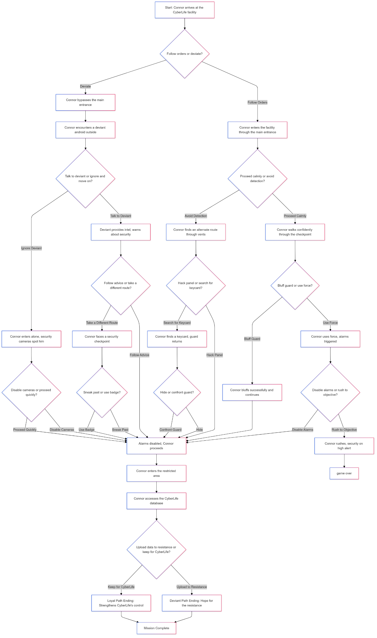
Stap | Senario 1 | Uitkomst
1 | start: Connor arrives at the Cyberlife facility
2 | Follow orders or deviate?
2A | deviate | Connor bypasses the main entrance
3 | Connor encounters a deviant android outside
4 | Talk to deviant or ignore and move on?
4A | ignore deviant | Connor enters alone, security cameras spot him
5 | Disable cameras or proceed quickly?
5A | proceed quickly | Alarm disabled, Connor proceeds
6 | Connor enters the restricted area
7 | Connor access the cyberlife database
8 | Upload data to resistance or keep for Cyberlife?
8A | keep for Cyberlife | Loyal path
9 | Loyal path ending: Strengthens Cyberlife's control
10 | Thanks for playing

Stap | Senario 2 | Uitkomst
1 | start: Connor arrives at the Cyberlife facility
2 | Follow orders or deviate?
2A | Follow orders | Connor enters the facility through the main entrance
3 | proceed calmly or avoid detection?
3A | proceed calmly | Connor walks confidently through the checkpoint
4 | bluff guard or use force?
4A | use force | Connor uses force, alarm triggered
5 | Disable alarms or rush to objective?
5A | Rush to objective? | Connor rushes security on high alert
6 | Thanks for playing, game over

Stap | Senario 3 | Uitkomst
1 | start: Connor arrives at the Cyberlife facility
2 | Follow orders or deviate?
2A | Follow orders | Connor enters the facility through the main entrance
3 | proceed calmly or avoid detection?
3A | avoid detection | Connor find an alternate route through vents
4 | hack panel or search for keycard?
4A | search for keycard | Connor finds a keycard, guard returns
5 | Hide or cofront guard?
5A | Confront guard | Alarm disabled, Connor proceeds
6 | Connor Enters the restricted area
7 | Connor accesses the Cyberlife database
8 | Upload data to resistance or keep for Cyberlife?
8A | upload to resistance | Deviant path
9 | Deviant path ending: Hope for the resistance
10 | Thanks for playing

Stap | Senario 4 | Uitkomst
1 | start: Connor arrives at the Cyberlife facility
2 | Follow orders or deviate?
2A | deviate | Connor bypasses the main entrance
3 | Connor encounters a deviant android outside
4 | Talk to deviant or ignore and move on?
4A | talk to deviant | Deviant provides intel, warns about security
5 | Follow advice or take a different route?
5A | Take a different route | Connor faces a security checkpoint
6 | Sneak past or use badge?
6A | sneak past | Alarm disabled, Connor proceeds
7 | Connor enters the restricted arera
8 | Connor access the Cyberlife database
9 | upload to resistance or keep for Cyberlife?
9A | keep for Cyberlife | Loyal path
10 | Loyal path ending Strengthens Cyberlife's control
11 | Thanks for playing

